Sheet1
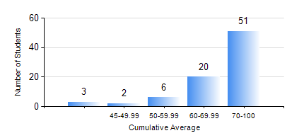
 |  |  | KWAME NKRUMAH UNIVERSITY OF SCIENCE AND TECHNOLOGY, KUMASI Department of Mechanical Engineering

 |  |  | BSC. AEROSPACE ENG., General Option

 |  |  | COMPREHENSIVE RECORD OF EXAMINATION RESULTS

 |  |  | RESULTS OF YEAR 1 FIRST SEMESTER, 2021/2022 ACADEMIC YEAR

 | Sn | Course Code |  | Course Name | Credit Hours | Min. Mark | Max. Mark | Avg. Mark | Std. Dev. | No. Passed | No. Trailed | No. (Df) | No. (I) | No. (I*) | No. Tagged(I,I*,Df) | Total
 | 0. |  |  |  |  |  |  | 0 | 0 | 0 | 0 | 0 | 0 | 0 | 0 | 3
 | 1. | AERO 157 |  | INTRODUCTION TO AVIATION TECHNOLOGY | 2 | 28 | 96 | 72 | 15.17 | 77 | 2 | 0 | 0 | 0 | 0 | 79
 | 2. | CE 155 |  | ENVIRONMENTAL STUDIES | 2 | 45 | 83 | 65 | 9.27 | 79 | 0 | 0 | 0 | 0 | 0 | 79
 | 3. | EE 151 |  | APPLIED ELECTRICITY | 3 | 40 | 94 | 63 | 11.17 | 79 | 0 | 0 | 0 | 0 | 0 | 79
 | 4. | ENGL 157 |  | COMMUNICATION SKILLS I | 2 | 35 | 92 | 67 | 10.84 | 78 | 1 | 0 | 0 | 0 | 0 | 79
 | 5. | MATH 151 |  | ALGEBRA | 4 | 57 | 98 | 83 | 9.55 | 79 | 0 | 0 | 0 | 0 | 0 | 79
 | 6. | ME 157 |  | INTRODUCTION TO INFORMATION TECHNOLOGY | 2 | 41 | 87 | 66 | 12.42 | 79 | 0 | 0 | 0 | 0 | 0 | 79
 | 7. | ME 159 |  | TECHNICAL DRAWING | 3 | 14 | 96 | 80 | 14.84 | 78 | 1 | 0 | 0 | 0 | 0 | 79

